Bug report 1
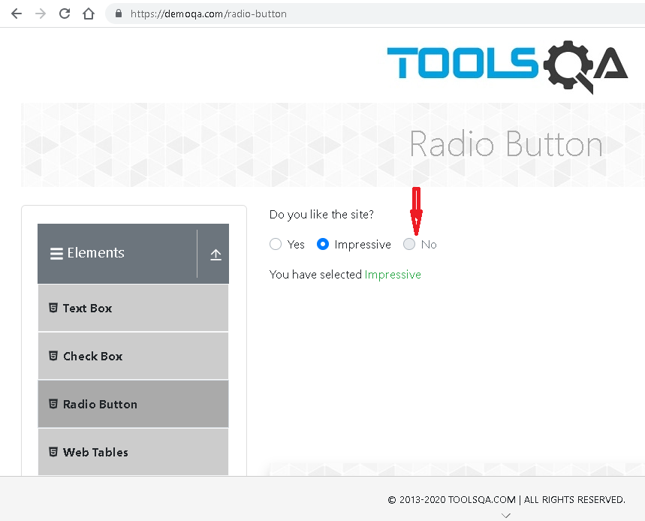
Summary | Radio button "NO" is not clickable
Description | When user go to https://demoqa.com/ and click on 'Elements' card on the left side of the screen. Elemets page is open. Than user click on Radio Button on the left ander the Elements and Radio Button page is open. Then user try to click on NO radio button. Radio button NO is not clickable and little red radio button appears when user go with pointer to check the button
Steps to reproduce | Open Chrome browser
 | Go to following url https://demoqa.com/
 | Click on 'Elements' card on the left
 | Click on 'Radio Button' button under the Elements
 | Click on "NO" radio button
Expected result | "NO" radio buttton is checked and visible, and message appears (You have selected No)
Actual result | "NO" radio buttton is not clickable and little red button appear
Priority | Low
Severity | Low
Repro rate | 100%
Environment | Production

Bug report 2
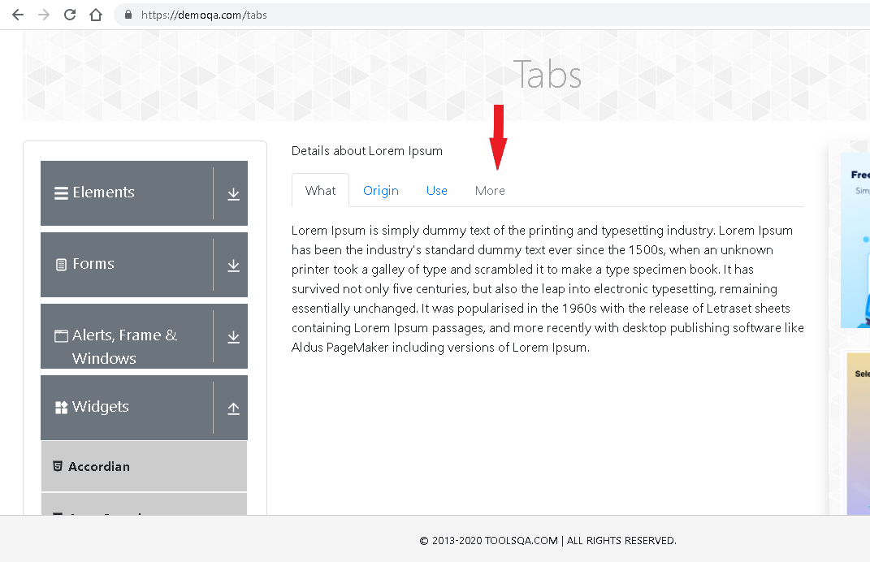
Summary | More Tab is not clickable
Description | When user go to https://demoqa.com/ and click on 'Widgets' card on the screen. Widgets page is open. User click on Tabs on the left ander the Widgets and Tabs page is open. User click on More tab which is last from the right side. More tab is not clickable.
Steps to reproduce | Open Chrome browser
 | Go to following url https://demoqa.com/
 | Click on 'Widgets' card on the screen
 | Click on Tabs under the Widgets
 | Click on More Tab
Expected result | More tab is clickable and visible open
Actual result | More tab is not clickable and it does not open
Priority | Low
Severity | Low
Repro rate | 100%
Environment | Production

Bug report 3
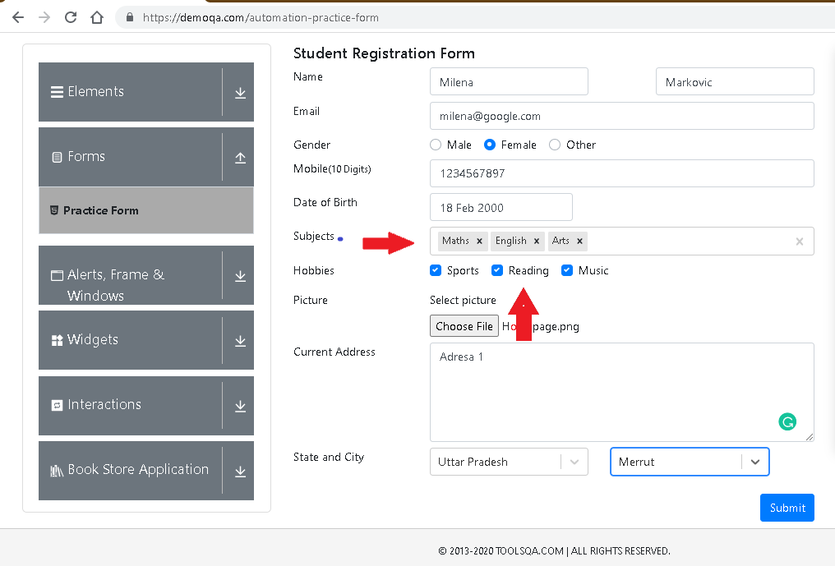
Summary | If all checked, hobbies (Sports,Reading,Music) are not visible in submit form when subjects are entered.
Description | When user go to https://demoqa.com/ and click on 'Form' card on the screen. Forms page is open. Click on Practice form, and Student registration Form is requiring information for to Submit. User enter all information on submit form and click on "SUBMIT" button. Pop up window is open messaging "Thanks for submitting the form", and all informations are visible entered except hobbies.
Steps to reproduce | Open Chrome browser
 | Go to following url https://demoqa.com/
 | Click on 'Forms' card on the screen
 | Click on Practice Form
 | Enter First Name (Example: Milena)
 | Enter Last Name (Example: Markovic)
 | Click on Female radio button
 | Enter Mobile number (Example: 1234567897)
 | Select date of birth (Example: 18.02.2000.)
 | Select Subjects (Example: Maths, English. Arts)
 | Check all hobbies (Example: Sports, Reading, Music)
 | Choose File from personal computer
 | Enter Current Address (Example: Adresa 1)
 | Select state from drop-down menu (Example: Uttar Pradesh )
 | Select City from drop-down menu (Example: Merrut)
 | Click on "SUBMIT" button
Expected result | Thank for submitting the form pop up window open, filled with all entered information
Actual result | Thank for submitting the form pop up window open, filled with all entered information except hobbies.
Priority | High
Severity | Low
Repro rate | 100%
Environment | Production

Bug report 4
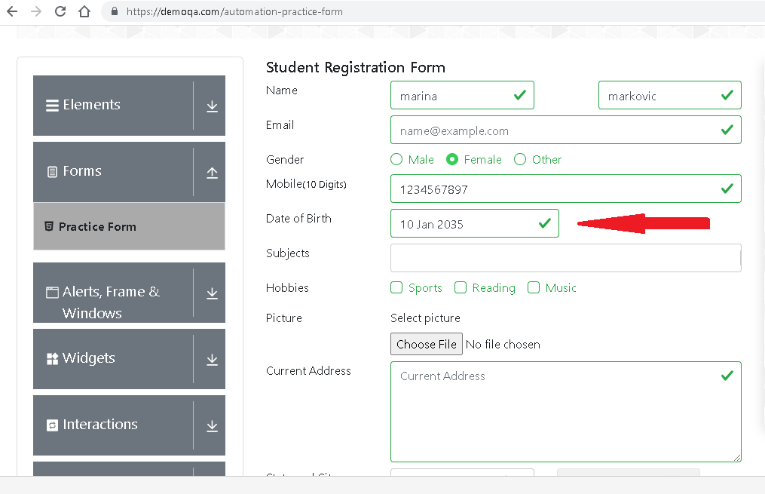
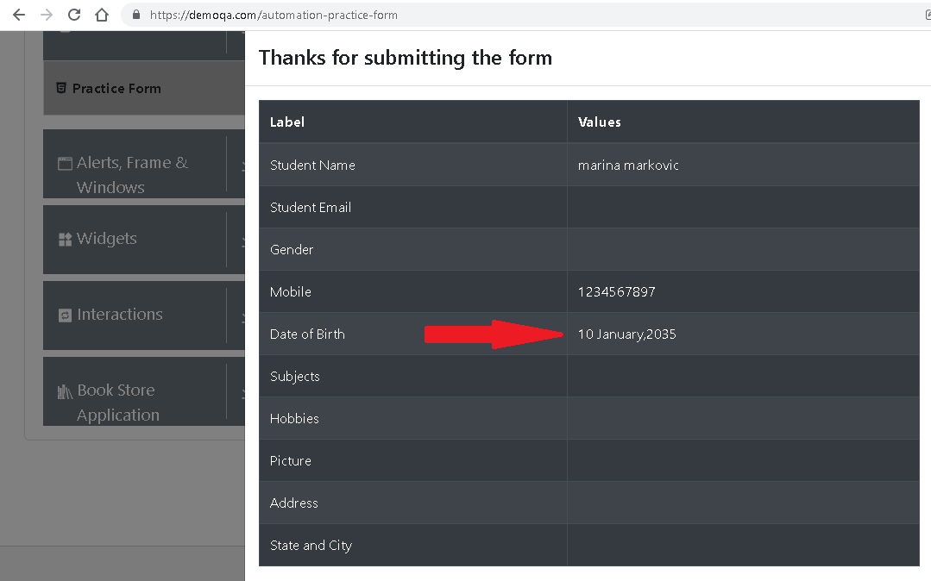
Summary | It is possible to select date of birth in future.
Description | When user go to https://demoqa.com/ and click on 'Form' card on the screen. Forms page is open. Click on Practice form, and Student registration Form is requiring information for to Submit. User enter all necessary information and set date in future click on "SUBMIT" button. Pop up window "Thanks for submitting the form" is open, and all informations are visible entered and date of birth in the future.
Steps to reproduce | Open Chrome browser
 | Go to following url https://demoqa.com/
 | Click on 'Forms' card on the screen
 | Click on Practice Form
 | Enter First Name (Example: Milena)
 | Enter Last Name (Example: Markovic)
 | Click on Female radio button
 | Enter Mobile number (Example: 1234567897)
 | Select date of birth (Example: 10.10.2035.)
 | Click on "SUBMIT" button
Expected result | It is not possible to submit the form with date of birth selected in the future.
Actual result | Thanks for submitting the form pop up window open, filled with all entered information.
Priority | High
Severity | Low
Repro rate | 100%
Environment | Production

